D1
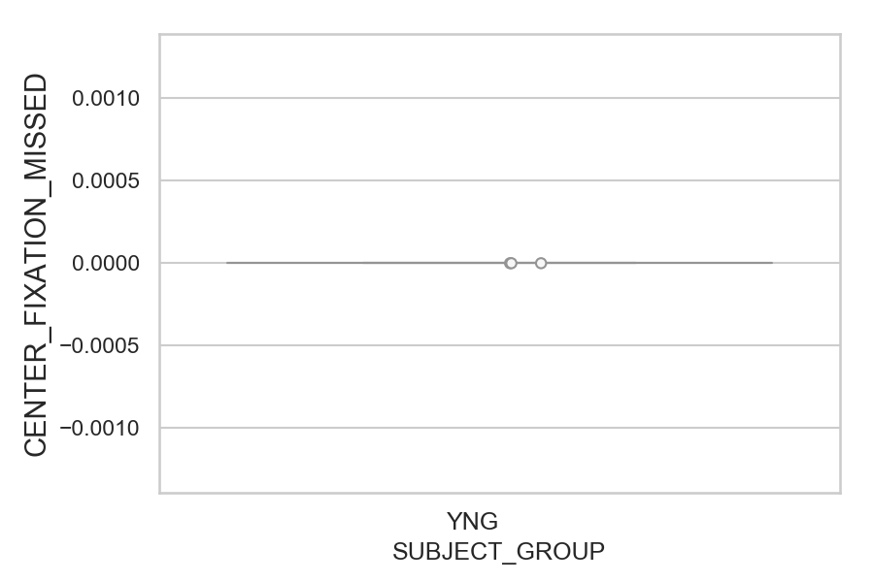
Total number of trials where center fixation was not accepted (too far from the center) (percentage)
SUBJECT_NAME | SUBJECT_GROUP | NUMBER_OF_TRIALS_WITH_CENTER_FIXATION_MISSING | TOTAL_NUMBER_OF_TRIALS | SUBJECT_AGE | VALUE
AW001CG | YNG | 0 | 16 | 19 | 0
AW002AF | YNG | 0 | 16 | 19 | 0
MP1 | YNG | 0 | 16 |  | 0

D1 (types)
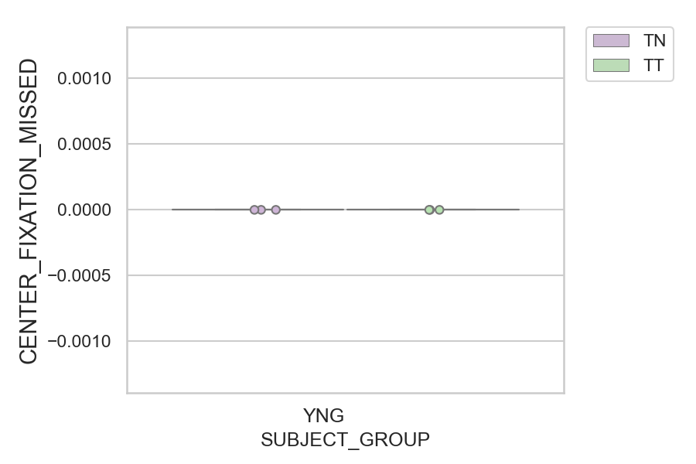
Total number of trials where center fixation was not accepted (too far from the center) (percentage)
SUBJECT_NAME | SUBJECT_GROUP | CONDITION_APPEARANCE | NUMBER_OF_TRIALS_WITH_CENTER_FIXATION_MISSING | TOTAL_NUMBER_OF_TRIALS | SUBJECT_AGE | VALUE
AW001CG | YNG | TN | 0 | 10 | 19 | 0
AW001CG | YNG | TT | 0 | 6 | 19 | 0
AW002AF | YNG | TN | 0 | 10 | 19 | 0
AW002AF | YNG | TT | 0 | 6 | 19 | 0
MP1 | YNG | TN | 0 | 8 |  | 0
MP1 | YNG | TT | 0 | 8 |  | 0

